F&A Agreement
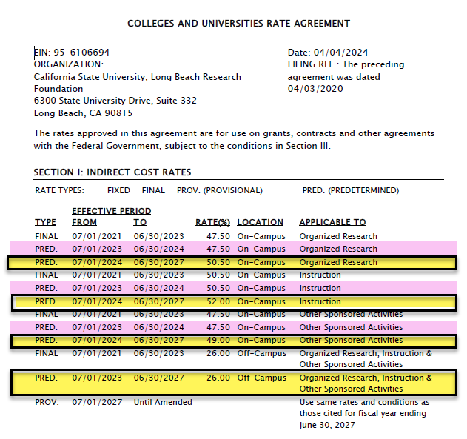

Research: | Organized Research activities include rigorous inquiry, experimentation or investigation to increase scholarly understanding in the involved discipline. Examples include awards to support research activities; to maintain facilities, equipment and/or operation of a facility to be used for research; for the writing of books, when the purpose is to publish research results; for data collection, evaluation, analysis and/or reporting. *Clinical trials sponsored by federal or foundation grants or cooperative agreements (not commercial organizations) are considered organized research.

Instruction: | Instruction activities include any project where the purpose is to instruct any student at any location. Recipients of instruction may be CSULB students or staff, teachers or students in elementary or secondary schools, or the general public. Examples include: Curriculum development projects, including projects which involve evaluation of curriculum or teaching methods. Note that such evaluation may be considered “Research” when the preponderance of activity is data collection, evaluation and reporting. Projects involving CSULB students in community service activities for which they are receiving academic credit; activities funded by awards to departments or schools for the support of students; fellowship support for pre‐doctoral and post‐doctoral training activities, including grants funding dissertation work and related travel; Support for writing textbooks or reference books, or creating video or software to be used as instructional materials. Examples: NIH K, F, and T applications, Foundation fellowships

Other Sponsored Activites: | Other sponsored activities include programs involving work other than Instruction and Organized Research. *Most projects in this category do not directly involve students. Examples of Other Sponsored Activities include: Health service projects, Travel grants, Support for conferences, seminars or workshops; Support for University public events such as “lively art”; Publications by CSULB Press; Support for student participation in community service projects which do not result in academic credit; Support for projects pertaining to library collections, acquisitions, bibliographies, or cataloging; Programs to enhance institutional resources, including computer enhancements, etc

Clinical Trails (CSULB does not have category but this is a FYI) | Clinical Research is defined as “All research that involves patient or PHI, or clinical testing or procedures, or drug/device diagnostic testing in humans or any planning/lab/clinical service in support of such clinical research.”

